Validaciones
Nombre del Documento |  |  |  |  | Clave: | GRENVTPM003
 |  |  |  |  | Revisión: | 000
Horarios envasado |  |  |  |  | Fecha: | 2026-03-27
 |  |  |  |  | Página: | NA

ELABORÓ |  | REVISÓ |  |  | APROBÓ
Supervisor de packaging |  | Supervisor de packaging |  |  | Gerente de packaging

Validación de datos

 | Codigo | Horario | HORAS TRABAJADAS | Equipos
 | 0 | Descanso | 0 | Modulfill | Llenadora
 | 1 | 07:30 - 16:30 | 8 | Variopac | Lavadora
 | 5 | 15:30 - 00:30 | 8 | Varioline | Etiquetadora
 | 9 | 23:30 - 08:30 | 8 | Pressant | Variopac
 | 4 | 07:30 - 20:30 | 12 | Modulpal | Pz
 | 7 | 19:30 - 08:30 | 12 | Brigadas | Depa/Pale
 |  | 03:30 - 16:30 | 12 | PM Day | Enca/desenca
 |  | 15:30 - 04:30 | 12 | Asepsia | BT4
 | 8 | Vacaciones | 8 | Limpieza | BT5
...

Horario linea de latas
Nombre del Documento |  |  | Clave: | GRENVTPM003
 |  |  | Revisión: | 000
Horarios envasado |  |  | Fecha: | 2026-03-27
 |  |  | Página: | NA

ELABORÓ | REVISÓ |  | APROBÓ
Supervisor de packaging | Supervisor de packaging |  | Gerente de packaging
Packaging

Cedula | Grupo | Nombre |  |  | martes | 2025-07-22 |  | miércoles | 2025-07-23 |  | jueves
0951861798 | B | ARELLANO VITE VICTOR JOEL |  |  | 5 | 15:30 - 00:30 | Modulfill | 5 | 15:30 - 00:30 | Modulfill | 5
0950727388 | D | ARGUELLO MOLINA FRANCISCO JAVIER |  |  | 1 | 07:30 - 16:30 | Varioline | 1 | 07:30 - 16:30 | Varioline | 1
0926702325 | B | ASENCIO EDISON |  |  |  |  | Varioline | 9 | 23:30 - 08:30 | Varioline | 9
1206617621 | A | BUSTAMANTE BURGOS ANGEL JEFFERSON
0926114976 | D | CRESPIN ANDRADE MARLON GEOVANNY |  |  | 4 | 07:30 - 20:30 | Variopac | 1 | 07:30 - 16:30 | Variopac | 1
0926702325 | B | LECARO PARRALES LINDSAY ESCARLEST |  |  |  |  | Varioline | 9 | 23:30 - 08:30 | Varioline | 9
0930605605 | A | MOREIRA FRANCO JHON JAIRON |  |  | 9 | 23:30 - 08:30 | Modulfill | 9 | 23:30 - 08:30 | Modulfill | 9
0918664087 | A | MORENO SANCHEZ ERWIN EDUARDO |  |  | 1 | 07:30 - 16:30 | Pressant | 1 | 07:30 - 16:30 | Pressant | 1
0916649478 | C | MUÑIZ ENRIQUE GEOVANNY
1313185827 | A | NIEMES ANCHUNDIA JOSE ENRIQUE |  |  | 5
1758993404 | C | RANGEL RANGEL JOSE LUIS |  |  | 1
0959041815 | C | TOALA GONZALEZ DIEGO ANDRES |  |  | 7
0941098360 | D | TORRES CARRILLO CRISTHIAN DIEGO |  |  | 5
0916878226 | B | ZAMBRANO RAMÍREZ ALEXANDRA RAQUEL |  |  | 9
 | D | ROBERTH QUIJIJE
0926329079 | C | QUINTO ESPINOZA FREDDY ISMAEL
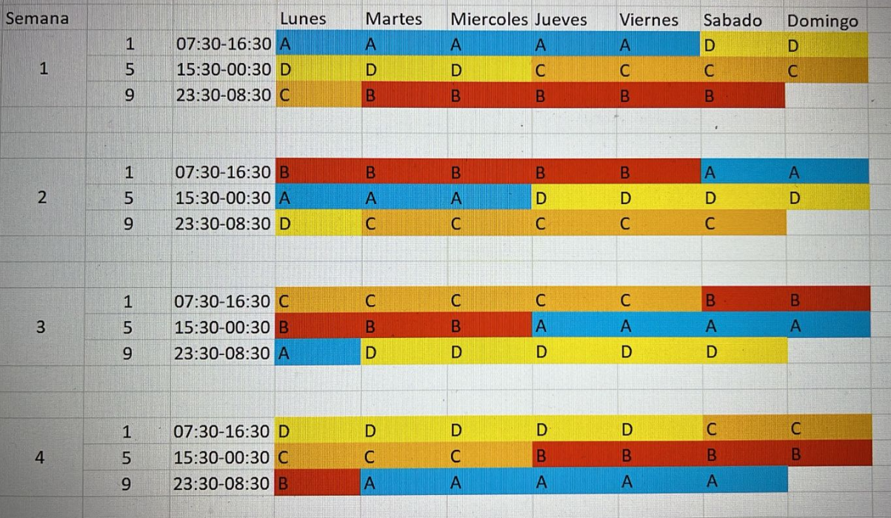
...

Horario linea de Botellas
 | Clave: | GRENVTPM003
 | Revisión: | 000
 | Fecha: | 2026-03-27
 | Página: | NA

 | APROBÓ
 | Gerente de packaging
Packaging

Nombre |  |  |  | lunes | 2025-10-20 |  | martes | 2025-10-21 |  | miércoles | 2025-10-22
MORAN MOSQUERA VICTOR PAUL |  |  | 1 | 07:30 - 16:30 | Llenadora | 1 | 07:30 - 16:30 | Llenadora | 1 | 07:30 - 16:30 | Llenadora | 8
DELGADO JUNIOR |  |  | 1 | 07:30 - 16:30 | Llenadora | 1 | 07:30 - 16:30 | Llenadora | 1 | 07:30 - 16:30 | Llenadora | 1
URETA JOSÉ |  |  | 1 | 07:30 - 16:30 | Llenadora | 1 | 07:30 - 16:30 | Llenadora | 1 | 07:30 - 16:30 | Llenadora | 1

CHICA LEÓN STALIN JOSÉ |  |  | 1 | 07:30 - 16:30 | Llenadora | 1 | 07:30 - 16:30 | Llenadora | 1 | 07:30 - 16:30 | Llenadora | 1
JAIME RICARDO |  |  | 8 | Vacaciones |  | 8 | Vacaciones |  | 8 | Vacaciones |  | 8
GASPAR PEREZ GUSTAVO GREGORIO |  |  | 1 | 07:30 - 16:30 | Etiquetadora | 1 | 07:30 - 16:30 | Etiquetadora | 1 | 07:30 - 16:30 | Etiquetadora | 1
...

Horario T1
Clave: | GRENVTPM003
Revisión: | 000
Fecha: | 2026-03-27
Página: | NA

APROBÓ
Gerente de packaging
Packaging
 |  | martes | 2025-07-22 |  | miércoles | 2025-07-23 |  | jueves | 2025-07-24 |  | viernes | 2025-07-25
 |  | 1 | 07:30 - 16:30 | T1 | 1 | 07:30 - 16:30 | T1 | 4 | 07:30 - 20:30 | T1 | 4 | 07:30 - 20:30
 |  | 5 | 15:30 - 00:30 | T1 | 5 | 15:30 - 00:30 | T1 | 8 | Vacaciones |  | 8 | Vacaciones
 |  | 9 | 23:30 - 08:30 | T1 | 9 | 23:30 - 08:30 | T1 | 7 | 19:30 - 08:30 | T1 | 7 | 19:30 - 08:30

